BTV splits
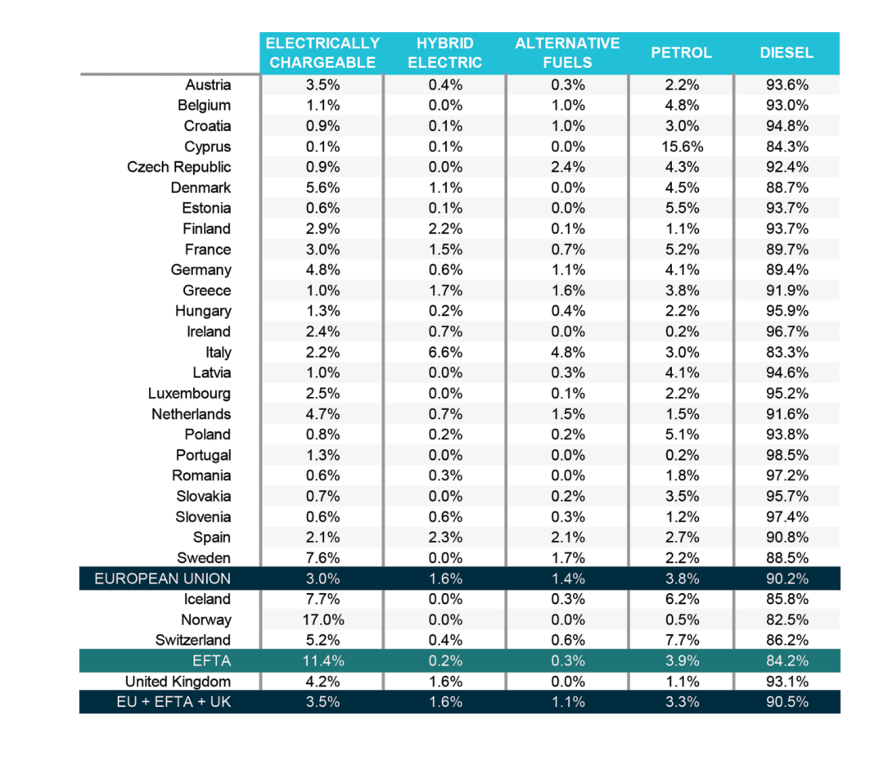
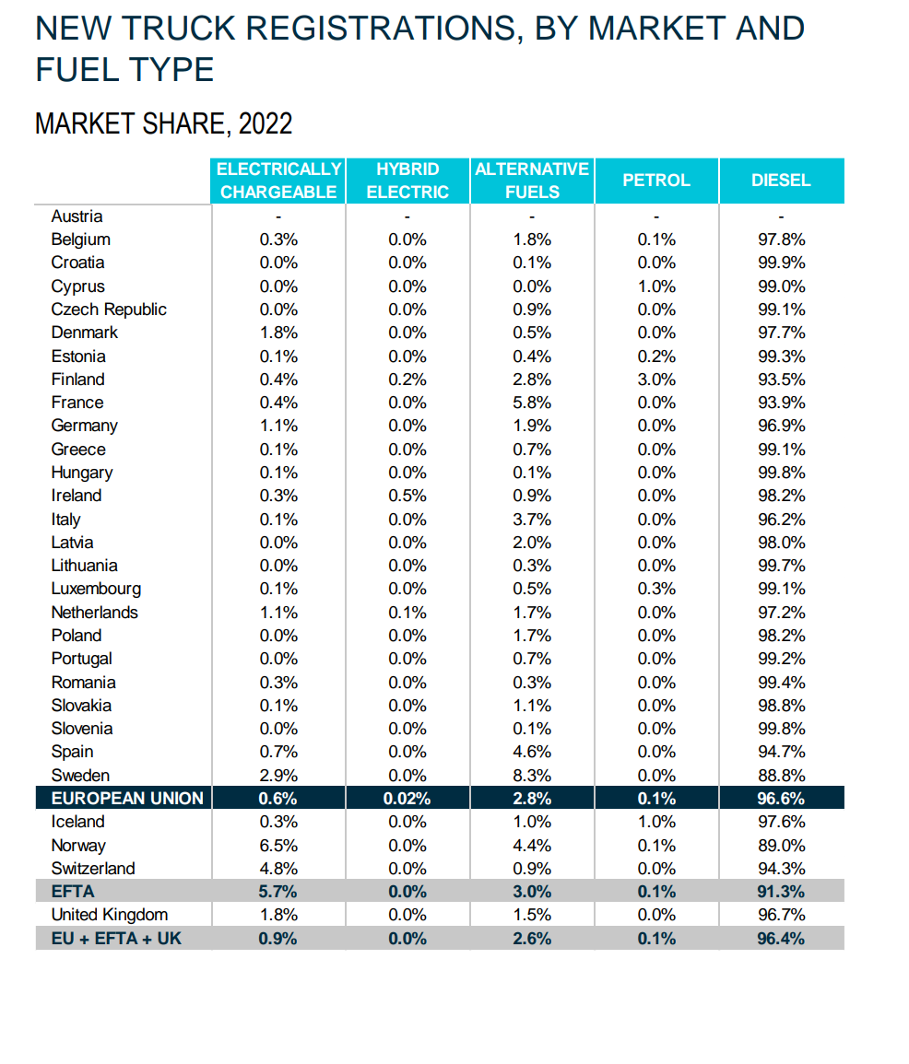
Oslo Norway is most similar to Warsaw Poland
London Uk is most similar to Brussels Belgium
Bern Switzerland is most similar to Sofia Bulgaria

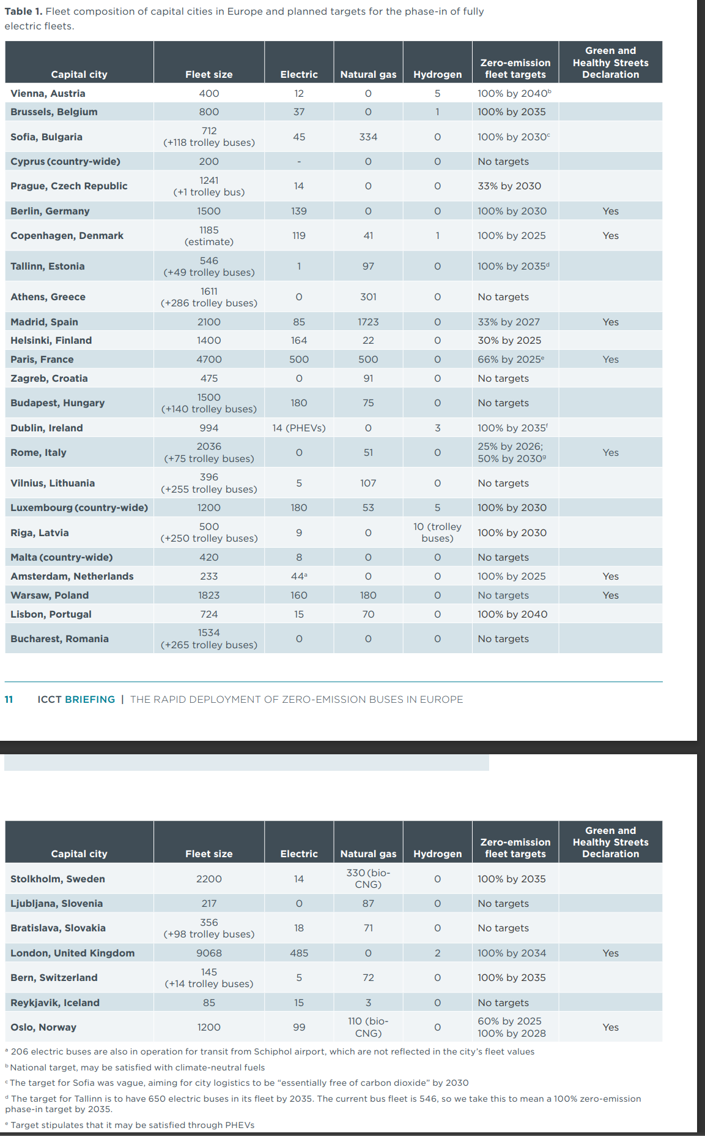
City | Country | Fleet size | Electric | Natural Gas | Hydrogen | Target | % electric | % gas | % hydrogen
Amsterdam | Netherlands | 233 | 44 | 0 | 0 |  | 18.88% | 0.00% | 0.00%
Reykjavik | Iceland | 85 | 15 | 3 | 0 |  | 17.65% | 3.53% | 0.00%
Luxembourg | Luxembourg | 1200 | 180 | 53 | 5 |  | 15.00% | 4.42% | 0.42%
Budapest | Hungary | 1500 | 180 | 75 | 0 |  | 12.00% | 5.00% | 0.00%
Helsinki | Finland | 1400 | 164 | 22 | 0 |  | 11.71% | 1.57% | 0.00%
Paris | France | 4700 | 500 | 500 | 0 |  | 10.64% | 10.64% | 0.00%
Copenhagen | Denmark | 1185 | 119 | 41 | 1 |  | 10.04% | 3.46% | 0.08%
Berlin | Germany | 1500 | 139 | 0 | 0 |  | 9.27% | 0.00% | 0.00%
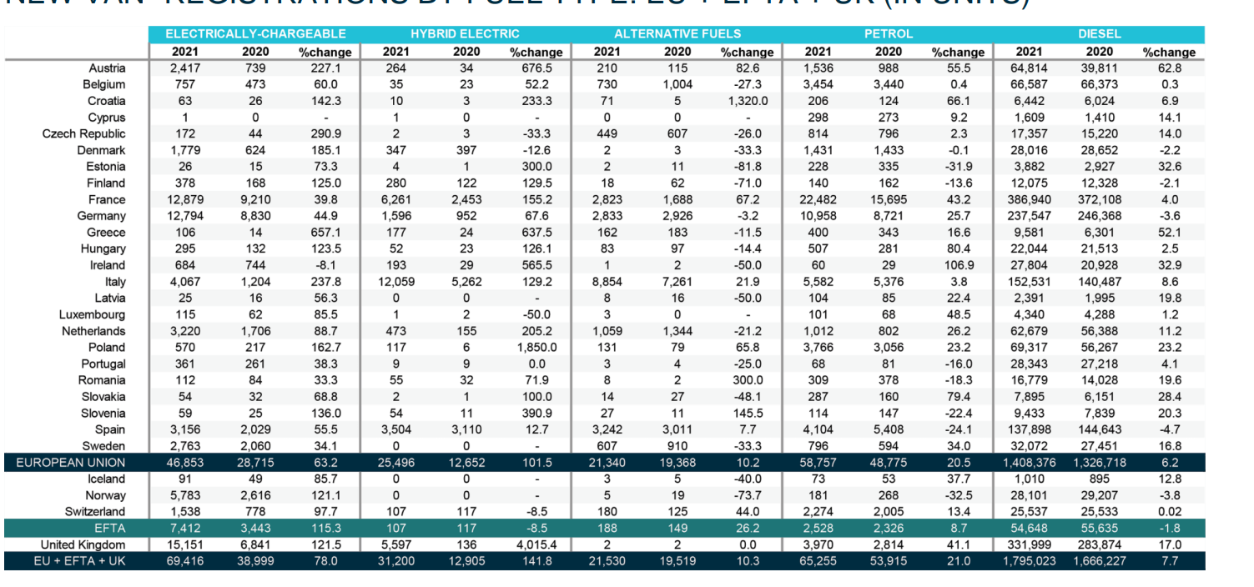
Warsaw | Poland | 1823 | 160 | 180 | 0 |  | 8.78% | 9.87% | 0.00%
Oslo | Norway | 1200 | 99 | 110 | 0 |  | 8.25% | 9.17% | 0.00%
Sofia | Bulgaria | 712 | 45 | 334 | 0 |  | 6.32% | 46.91% | 0.00%
London | United Kingdom | 9068 | 485 | 0 | 2 |  | 5.35% | 0.00% | 0.02%
Bratislava | Slovakia | 356 | 18 | 71 | 0 |  | 5.06% | 19.94% | 0.00%
Brussels | Belgium | 800 | 37 | 0 | 1 |  | 4.63% | 0.00% | 0.13%
Madrid | Spain | 2100 | 85 | 1723 | 0 |  | 4.05% | 82.05% | 0.00%
Bern | Switzerland | 145 | 5 | 72 | 0 |  | 3.45% | 49.66% | 0.00%
Vienna | Austria | 400 | 12 | 0 | 5 |  | 3.00% | 0.00% | 1.25%
Lisbon | Portugal | 724 | 15 | 70 | 0 |  | 2.07% | 9.67% | 0.00%
Malta | Malta | 420 | 8 | 0 | 0 |  | 1.90% | 0.00% | 0.00%
Riga | Latvia | 500 | 9 | 0 | 10 |  | 1.80% | 0.00% | 2.00%
Dublin | Ireland | 994 | 14 | 0 | 3 |  | 1.41% | 0.00% | 0.30%
Vilnius | Lithuania | 396 | 5 | 107 | 0 |  | 1.26% | 27.02% | 0.00%
Prague | Czechia | 1241 | 14 | 0 | 0 |  | 1.13% | 0.00% | 0.00%
Stockholm | Sweden | 2200 | 14 | 330 | 0 |  | 0.64% | 15.00% | 0.00%
Tallinn | Estonia | 546 | 1 | 97 | 0 |  | 0.18% | 17.77% | 0.00%
Cyprus | Cyprus | 200 | 0 | 0 | 0 |  | 0.00% | 0.00% | 0.00%
Athens | Greece | 1611 | 0 | 301 | 0 |  | 0.00% | 18.68% | 0.00%
Zagreb | Croatia | 475 | 0 | 91 | 0 |  | 0.00% | 19.16% | 0.00%
Rome | Italy | 2036 | 0 | 51 | 0 |  | 0.00% | 2.50% | 0.00%
Bucharest | Romania | 1534 | 0 | 0 | 0 |  | 0.00% | 0.00% | 0.00%
Ljubljana | Slovenia | 217 | 0 | 87 | 0 |  | 0.00% | 40.09% | 0.00%

